使用说明
注意：下面内涵多个表格，电脑打开即可切换。
一、CEFR和多邻国分数对照表 大牛多邻国（微信）：daniudet
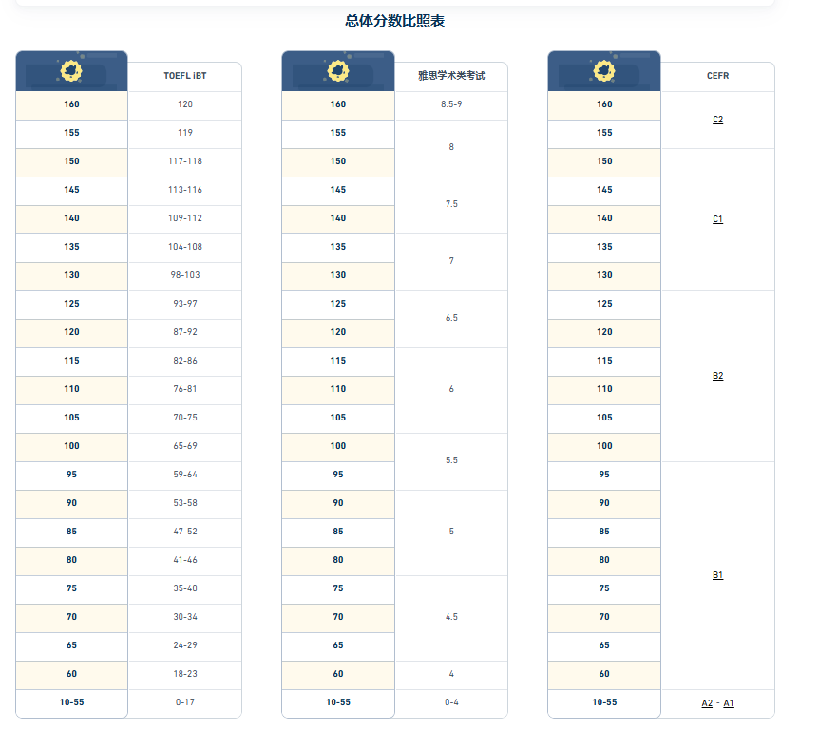

建议110以上A1-C2都要认识（C1-C2可认识80%），125目标分的还是老老实实的都背好，这些C1C2的单词出国后其实也是属于比较基础的单词，经常用的。

